Dashboard
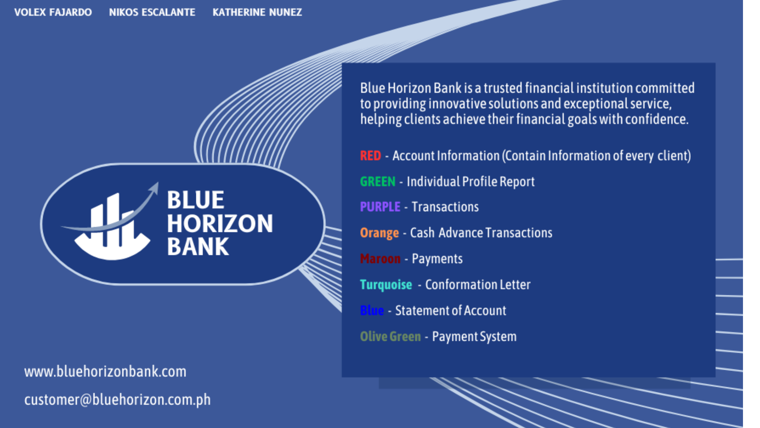
BLUE HORIZON BANK

Click to navigate to the preferred sheet in Excel

ACCOUNT INFORMATION

INDIVIDUAL PROFILE REPORT

TRANSACTIONS

CASH ADVANCE TRANSACTIONS

PAYMENTS

CONFIRMATION LETTER

STATEMENT OF ACCOUNT

PAYMENT SYSTEM

Individual Profile Report
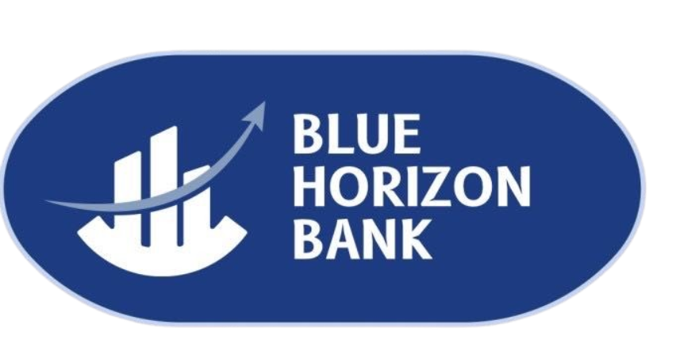
Individual Profile
Credit Card Number | 5165-8989-1015-1702
Last Name | First Name |  | M.I.
Mercado | Diego |  | M.
Sex | Credit Card Type | Card Limit |  | Card Issued | Card Expiry Date
M | Mastercard Classic | ₱600,000.00 |  | 2023-12-16 | 2028-12-31

Contact Details
Primary Address | 103 A. Villegas Street, Barangay 671, Manila, Metro Manila, Philippines
Secondary Address | 8 Rizal Street, Barangay Poblacion, Nasugbu, Batangas, Philippines
Zip Code: | Home Number: | Office Number: |  | Fax Number:
1004 | (02) 8998-9902 | (02) 7394-1333 |  | (02) 7982-4433
Mobile Number: |  | Email Address:
0989-215-4344 |  | diegomercado@gmail.com

Current Employment |  | Employment History
Company Name: | Samsung Electronics | Company Name: |  | G-Cash
Company Number: | (02) 7028-9999 | Company Number: |  | (02) 5647-3829
Position Held: | Firmware Engineer | Position Head: |  | Firmware Engineer

GO TO DASHBOARD |  |  | AMOUNT PURCHASED
 |  |  | CONFIRMATION LETTER

